Planning Your Offers
Planning your Offers

Visitors are coming to your site every single day, but not every visitor is ready to become a customer today. By having an array of offers, we're able to increase our chances that every visitor will find something for them, and convert into a lead.
Step 1: Fill in the product name.
Step 2: Define the top funnel, middle funnel, and bottom funnel offers, call to action text, and landing page for each offer.
Step 3: Create your call to action buttons, and add them to your website pointing to your landing page on the pages about the related course.
Step 4: Sit back and watch the leads roll in. Or maybe think about how to nurture the top and middle funnel leads into converting further.

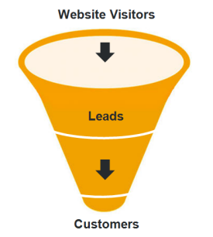
Offer Development
Product |  | Offer | Call to Action | Landing Page URL | Done?
 | Top of the Funnel |  |  |  | No
 | Middle of the Funnel |  |  |  | No
 | Bottom of the Funnel |  |  |  | No
Product |  | Offer | Call to Action | Landing Page URL | Done?
Top of the Funnel
 | Top of the Funnel |  |  |  | No
 | Middle of the Funnel |  |  |  | No
 | Bottom of the Funnel |  |  |  | No
Product |  | Offer | Call to Action | Landing Page URL | Done?
Middle of the Funnel
 | Top of the Funnel |  |  |  | No
 | Middle of the Funnel |  |  |  | No
 | Bottom of the Funnel |  |  |  | No
Product |  | Offer | Call to Action | Landing Page URL | Done?
Bottom of the Funnel
 | Top of the Funnel |  |  |  | No
 | Middle of the Funnel |  |  |  | No
 | Bottom of the Funnel |  |  |  | No
Product |  | Offer | Call to Action | Landing Page URL | Done?
 | Top of the Funnel |  |  |  | No
 | Middle of the Funnel |  |  |  | No
 | Bottom of the Funnel |  |  |  | No

© 2010 HubSpot, Inc.

