Welcome
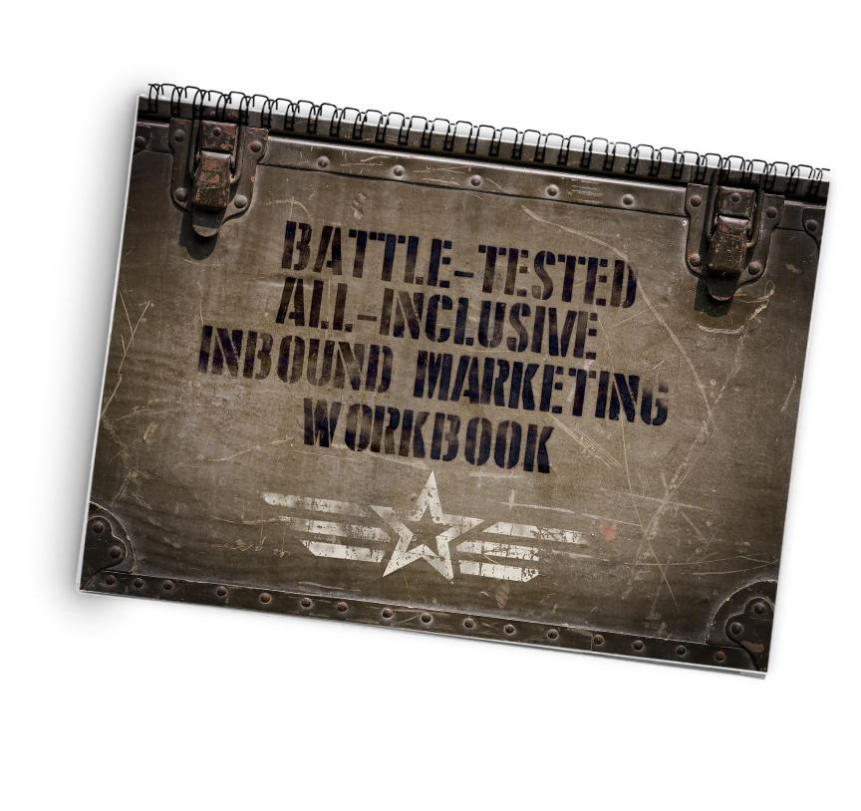

Thanks for downloading our Battle-Tested, All-Inclusive Inbound Marketing Workbook. This is an actual, real-live workbook that we use to execute our inbound marketing strategies. You'll find all kinds of real examples here that you could duplicate for yourself.

At the bottom of the screen you'll find tabs that hold all the different facets of our inbound campaigns. There are a million ways to organize inbound marketing, but this process has helped us deliver real-world results. And we're giving you the tools to accomplish the same thing. To make this spreadsheet editable, you'll need to login with your Google account, then go to File > Make A Copy. Or if you don't have a Google account, go to File > Download As.

If you'd like help getting your inbound marketing going, we'd be glad to help. Take the first step, and let's schedule an evaluation of your current web presence.

Click here to schedule an inbound marketing evaluation.

Persona 1 Name
Get Help | Watch How We Use This Tab

Persona 1: Nombre

Persona Development
Age:
Title:
Years In Position:
Reports To:
Person Value Proposition: | I want to _______________ in order to ____________________.
Top 3 Themes:
I Am Responsible For:
I May Not Make Decisions Because:

Persona Summary

Persona Picture

Buyer Questions
Questions | Topic Ideas
Awareness (TOF) | There is a problem I am trying to solve... I've become aware of it and I'm researching ways to solve it

Consideration (MOF) | It seems like there are ways to solve the problem... and it's time to consider those options

Decision (BOF) | I know the problem needs to be solved and it's decision time - can I solve it myself, should I hire an employee, or outsource this to a company/service?

Persona 2 Name
Persona 2: Nombre

Persona Development
Age:
Title:
Years In Position:
Reports To:
Person Value Proposition: | I want to _______________ in order to ____________________.
Top 3 Themes:
I Am Responsible For:
I May Not Make Decisions Because:

Persona Summary

Persona Picture

Buyer Questions
Questions | Topic Ideas
Awareness (TOF) | There is a problem I am trying to solve... I've become aware of it and I'm researching ways to solve it

Consideration (MOF) | It seems like there are ways to solve the problem... and it's time to consider those options

Decision (BOF) | I know the problem needs to be solved and it's decision time - can I solve it myself, should I hire an employee, or outsource this to a company/service?

Persona 3 Name
Persona 3: Nombre

Persona Development
Age:
Title:
Years In Position:
Reports To:
Person Value Proposition: | I want to _______________ in order to ____________________.
Top 3 Themes:
I Am Responsible For:
I May Not Make Decisions Because:

Persona Summary

Persona Picture

Buyer Questions
Questions | Topic Ideas
Awareness (TOF) | There is a problem I am trying to solve... I've become aware of it and I'm researching ways to solve it

Consideration (MOF) | It seems like there are ways to solve the problem... and it's time to consider those options

Decision (BOF) | I know the problem needs to be solved and it's decision time - can I solve it myself, should I hire an employee, or outsource this to a company/service?

