Content Library
Mapping your content to your Personas & Buying Process Worksheet

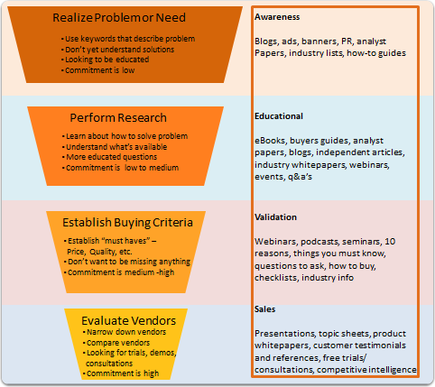
The Buying Process | Realize Problem or Need |  | Perform Research |  | Establish Buying Criteria |  | Evaluate Vendors
Buyer Persona 1 | Buyer Persona 1 | Weeks in Stage | Buyer Persona 1 | Weeks in Stage | Buyer Persona 1 | Weeks in Stage | Buyer Persona 1 | Weeks in Stage
Existing Content or Offers
Existing Content or Offers
Existing Content or Offers
New Content or Offers
New Content or Offers
New Content or Offers
Buyer Persona 2 | Buyer Persona 2 | Weeks in Stage | Buyer Persona 2 | Weeks in Stage | Buyer Persona 2 | Weeks in Stage | Buyer Persona 2 | Weeks in Stage
Existing Content or Offers
Existing Content or Offers
Existing Content or Offers
New Content or Offers
New Content or Offers
New Content or Offers
Buyer Persona 3 | Buyer Persona 3 | Weeks in Stage | Buyer Persona 3 | Weeks in Stage | Buyer Persona 3 | Weeks in Stage | Buyer Persona 3 | Weeks in Stage
Existing Content or Offers
Existing Content or Offers
Existing Content or Offers
New Content or Offers
New Content or Offers
New Content or Offers
Buyer Persona 4 | Buyer Persona 4 | Weeks in Stage | Buyer Persona 4 | Weeks in Stage | Buyer Persona 4 | Weeks in Stage | Buyer Persona 4 | Weeks in Stage
Existing Content or Offers
Existing Content or Offers
Existing Content or Offers
New Content or Offers
New Content or Offers
New Content or Offers

