Organizational Template Blank
Need help with campaign creation? Visit our Help Center
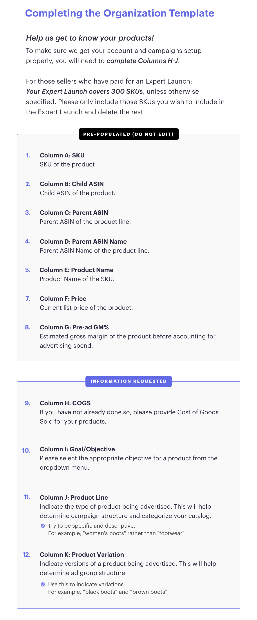
SKU | CHILD ASIN | PARENT ASIN | PARENT ASIN NAME | PRODUCT NAME | PRICE | PRE-AD GM% | COGS | GOAL/OBJECTIVE | PRODUCT LINE | PRODUCT VARIATION

