Directions
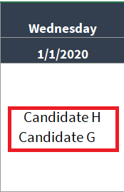
Weekly Calendar Template Instructions
1. Edit the values in cells C4, D4 and E4 to customise the dates and times on each weekly sheet.

2. Match the candidates to the timeslots for their interview
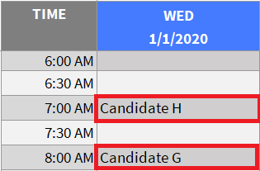

3. This automatically updates the in the monthly view

