Information and Assumptions
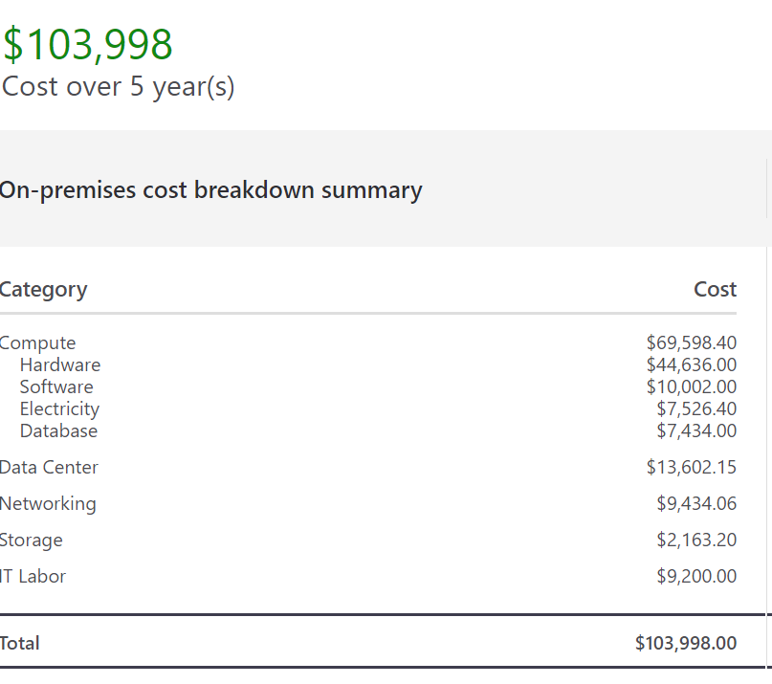
Return on Investment (ROI) Calculator
Information & Assumptions

The information below provides additional explanation and instructions for the various sections of the ROI calculator and the
source of all referenced assumptions.

Calculator Inputs
Calculator inputs are derived from customer's existing Solver (BI360) software configuration
Solver Cloud Annual Subscription | This is the equivalent Cloud subscription that would match the customer's current license configuration. This information can be obtained through the customer's Solver representative if they have not received a prior quote.

Solver Cloud Migration Services | Use the dropdown box to select an estimate of migration services based on the number of users. This is an estimate based on similar customer implementations. Your Solver representative can provide a more detailed quote based on exact configuration

Solver Annual Enhancement Fee (Current) | This represents the current annual enhancement fee paid by the customer for Solver/BI360. This can be obtained on their most recent renewal invoice, or through their Solver representative.

Solver 5.x Projected Costs (5 Years)
All information in this section is derived from calculator inputs and the assumptions detailed below.
Solver 5.x Enhancement Fee 18% & Solver Support 7% | This is a calculation based on the current annual enhancement fee. No modifications should be needed to this field as it merely noting the enhancement and support that will be included with a 5.X (Private Host) deployment.

Solver 5.x Required servers, Electricity, Facilities | This estimated cost for meeting Solver's minimum 5.x (Private Host) system requirements as derived from Microsoft's Total Cost of Ownership (TCO) calculator. This calculator includes estimated cost for hardware licenses, electricity and facilities (see detailed Total Cost of Ownership Estimate section below for details).

Solver 5.x Customer IT Services & Upgrades, etc. | This item includes the estimated IT labor cost from Microsoft's TCO calculator for supporting the system configuration required for Solver 5.X (Private Host), as well as an estimated 2-4 hours per user license per year for Solver specific installation and upgrade support. See detailed Total Cost of Ownership Estimate section below for details).

Solver Cloud Projected Costs (5 Years)
All information in this section is derived from calculator inputs project Cloud license and migration costs.
Cloud subscription + Migrations Services | This total is derived from the calculator input section which shows the total Cloud license cost over a period of 5 years, plus the estimate for migration services.
Cloud 5 Year Migration offer Discount @ 40% | This total is derived from the calculator input section which shows the total Cloud license cost and calculates the 40% promotional discount

Total Cost of Ownership Estimate
~ This Total Cost of Ownership estimate projects the on-premises cost over 5 years, for a configuration meeting Solver, 5.x minimum system requirements.
~The samples below demonstrate Solver's minimum system requirements for installations <50 users and >50 users.
~These minimum system requirements can be reviewed in the 'Solver 5.x System Requirements Documentation' linked below.
~The Microsoft Total Cost of Ownership (TCO) calculator provides projected 5 year costs for the Solver configuration inclusive of hardware, software,
electricity and IT labor based on established national averages.
~Customers may adjust these assumptions to meet their own configuration specifics by following the link below to the Microsoft Total Cost of Ownership Calculator
and adjust the assumptions.

Resources for Total Cost of Ownership Calculations
Microsoft Total Cost of Ownership Calculator | >> (based on industry average price assumptions)
Solver 5.x System Requirements Documentation | >>(based on minimum system requirements configuration)

The below estimates were derived from the Microsoft TCO calculator based on the Solver system requirements for configurations <50 users and >50 users.

Recommended Configuration < 50 Users | $97,830 | Recommended Configuration >50 Users | $114,275
IT Labor Costs (Configuration) | $9,200 | IT Labor Costs (Configuration) | $9,200
IT Labor Costs, Solver Installation and Upgrades* | $11,500 | IT Labor Costs, Solver Installation and Upgrades* | $23,000
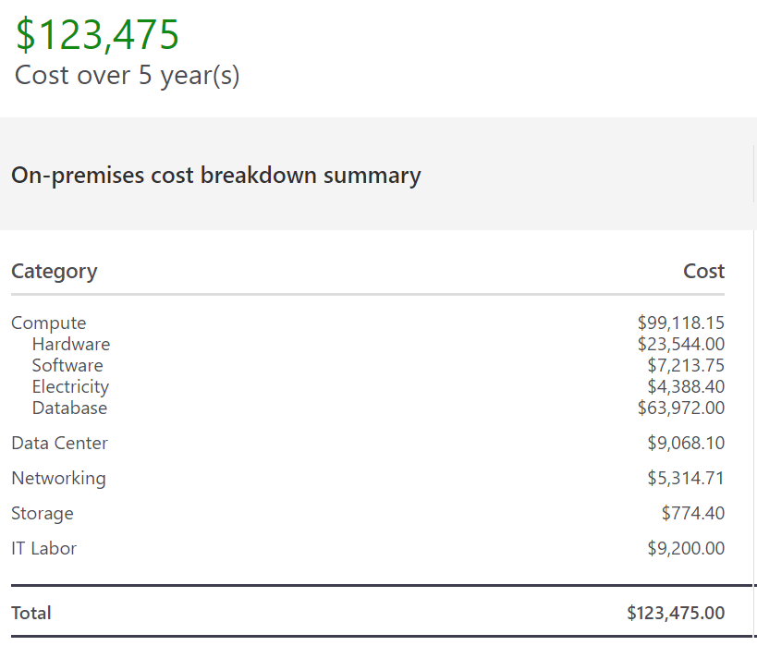
*2-4 hours per Solver user per year, at average IT SA rate of $23/hr

