Step 1 - Consolidate wo Elims
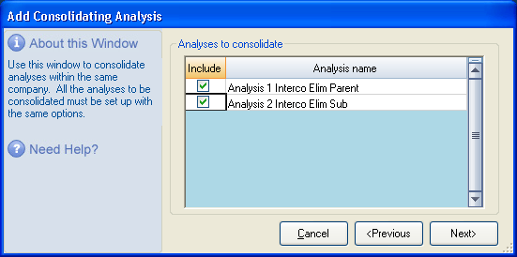
Step 1: Consolidated Without Eliminations

 | 1.1 Create Consolidation Analysis.
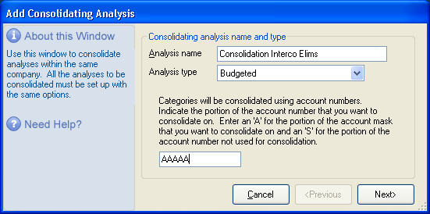

 | 1.2 Consolidate your existing Analyses that do not contain eliminations

Step 2 - Calculate Eliminations
Step 2: Calculate Eliminations

 | 2.1 Print your Balance Sheet and Income Statements to Excel for each period in which you need to generate eliminations.
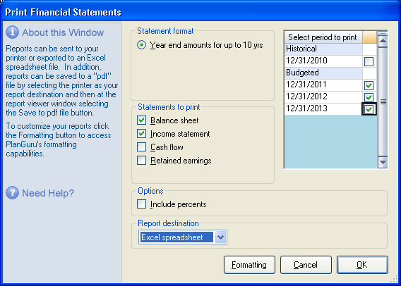

 | 2.2 Review Your consolidated intercompany account eliminations pairs to make sure they reconcile.

 | Modeling Sample Co 2
 | Budgeted Balance Sheets
 | December 31, 2011, 2012 and 2013
 | Consolidation Interco Elims
 |  | Budgeted | Budgeted | Budgeted
 |  | 12/31/2011 | 12/31/2012 | 12/31/2013
 | Current Assets
 | Cash and cash equivalents | -$1,400 | -$450 | $1,250
 | Accounts Receivable | 1,700 | 1,700 | 1,700
 | InterCompany Receivables | 2,000 | 4,300 | 6,900
 | Total Current Assets | 2,300 | 5,550 | 9,850
 | Other Assets
 | Investment in Subsidiary | 1,000 | 1,000 | 1,000
 | Total Other Assets | 1,000 | 1,000 | 1,000 | $0 | $0 | $0
 | Total | $3,300 | $6,550 | $10,850
 | Current Liabilities
 | Intercompany Payable | $2,000 | $4,300 | $6,900 | $0 | $0 | $0
 | Total Current Liabilities | 2,000 | 4,300 | 6,900
 | Stockholder Equity
 | Contributed Capital | 1,000 | 1,000 | 1,000
 | Retained earnings | 300 | 1,250 | 2,950
 | Total Stockholder Equity | 1,300 | 2,250 | 3,950
 | Total | $3,300 | $6,550 | $10,850

 | Modeling Sample Co 2
 | Budgeted Statement of Operations
 | For the years ending December 31, 2011, 2012 and 2013
 | Consolidation Interco Elims
 |  | Budgeted | Budgeted | Budgeted
 |  | 12/31/2011 | 12/31/2012 | 12/31/2013
 | Revenue
 | Revenue Product 1 | $6,000 | $8,000 | $10,000
 | Service Fee Income | 2,000 | 2,300 | 2,600
 | Total Revenue | 8,000 | 10,300 | 12,600
 | Cost of Sales
 | COGS | 1,300 | 1,950 | 2,500
 | Total Cost of Sales | 1,300 | 1,950 | 2,500 | $0 | $0 | $0
 | Gross Profit | $6,700 | $8,350 | $10,100
 | Operating Expenses
 | Service Fee Expense | 2,000 | 2,300 | 2,600
 | Utilities | 400 | 500 | 600
 | Total Operating Expenses | 2,400 | 2,800 | 3,200
 | Net Income | $4,300 | $5,550 | $6,900

 | 2.3 All eliminating pairs on a consolidated basis reconcile (net to zero).
 | The inverse of these highlighted rows will be our elimination entries in the Elimination analysis

Step 4 - Consolidation w Elims
Step 3: Consolidate with Eliminations

 | 3.1 Open the previously created consolidation analysis. Go to Edit>Analysis Setup and click on the "Analyses to consolidate" tab
 | Add the newly created Elimination analysis to the consolidation.
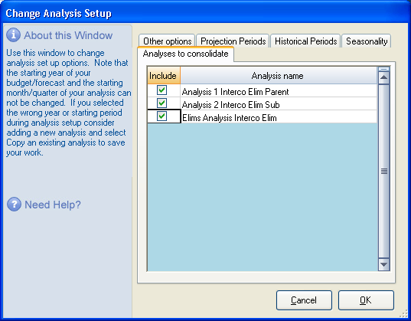

 | 3.2 Reconcile your Intercompany Elimination rows (ensure they zero out)

 | 3.3 Make adjustment is necessary to elimination analysis balances
 | In this case that is not required because all rows to be eliminated net to zero.

