Example Estimate
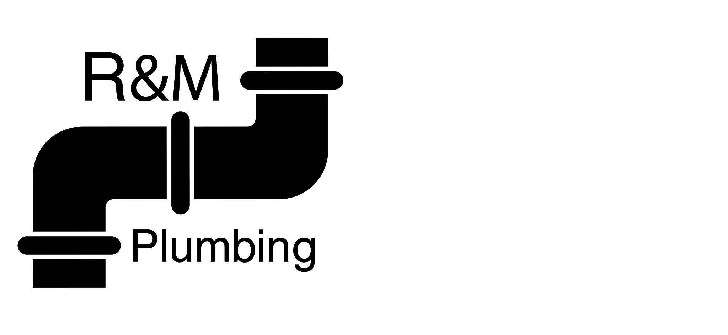

Tom Pilkenson |  | Estimate
88 Kings Road
London E1 7AA |  | Estimate No. | 201
020 7946 0822 |  | Issue Date | 05/06/2020
 |  | Due Date | 05/07/2020

Thank you for choosing R&M Plumbing! We are happy to help out with your drain cleaning request. On 14/06/2020, our engineer Jack will arrive at 88 Kings Road from 2 - 4pm. He will use a hydrojet to clear out the bathroom drain.

SERVICE | QUANTITY | UNIT PRICE | AMOUNT
Labour | 4.00 | £100.00 | £400.00
Parts | 2.00 | £78.00 | £156.00
 |  |  | £0.00
 |  |  | £0.00
 |  |  | £0.00
 |  |  | £0.00
 |  |  | £0.00
 |  |  | £0.00
 |  |  | £0.00
SUBTOTAL |  |  | £556.00
VAT RATE |  |  | 20%
 |  | VAT | £111.20
TOTAL |  |  | £667.20

Thank you for your consideration. We hope you have the opportunity to serve you. Please do not hesitate to contact us if there are any queries.
R&M Plumbing
9890 Green Lane
London W80 7MB
020 0452 4833

